uncropped blots
Figure 1I

Occludin
Claudin-4
β-ACTIN

Figure 2H

β-ACTIN
Occludin
Claudin-4

Figure 2O
GPX4
β-ACTIN

55 kDa
42 kDa
25 kDa
17 kDa

Figure 3S
GPX4
β-ACTIN

25 kDa
17 kDa

55 kDa
42 kDa

Figure 4A
AHR

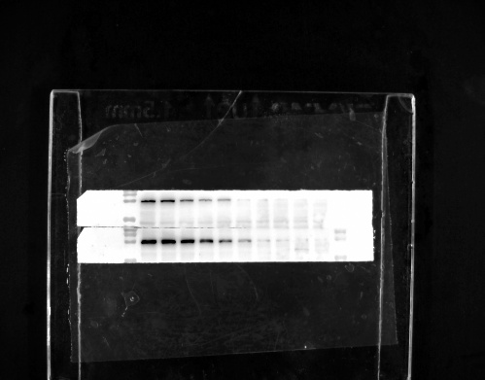

130kDa
100 kDa
72 kDa

AHR
β-ACTIN
Figure 4B

130 kDa
100 kDa
55 kDa
42 kDa

Figure 4C
AHR
GAPDH
Histone H3

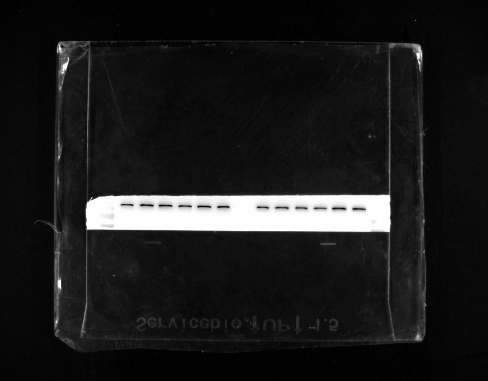

100 kDa
72 kDa
55 kDa
42 kDa
17 kDa

Figure 5I
DMT1
DCYTB
β-ACTIN

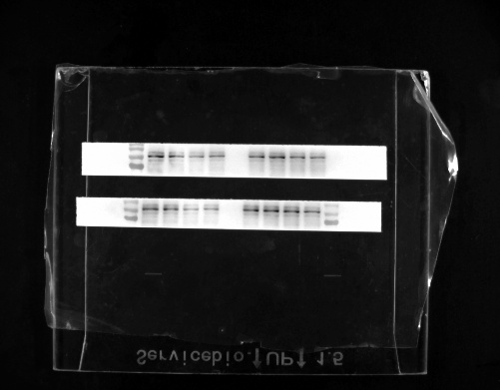

33 kDa
25 kDa
100 kDa
72 kDa
42 kDa

Figure 5O

IP-HIF-2α-flag
IP-AHR-Myc
IP-ARNT
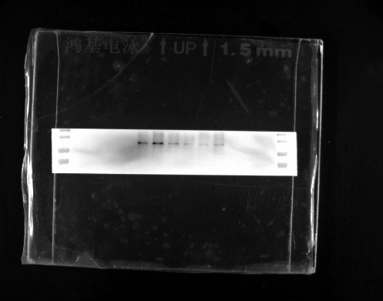

100 kDa
72 kDa
100 kDa
72 kDa
100 kDa
72 kDa

INPUT-HIF-2α-flag
INPUT-AHR-Myc
INPUT-ARNT
INPUT-ACTIN

100 kDa
72 kDa
100 kDa
72 kDa
100 kDa
72 kDa
42 kDa

Figure 6J
GPX4
β-ACTIN

25 kDa
17 kDa
72 kDa
42 kDa
35 kDa

DMT1
β-ACTIN

42 kDa
35 kDa
100 kDa
72 kDa
55kDa

DCYTB
β-ACTIN

33 kDa
25 kDa
55 kDa
42 kDa

55 kDa
42 kDa
35 kDa

55 kDa
42 kDa

17 kDa
42 kDa

